cameras
Blackmagic URSA Broadcast

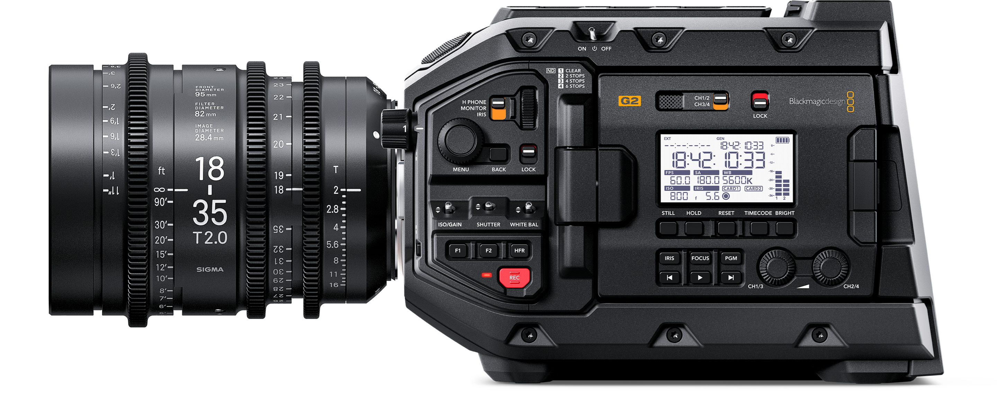

Product | qty | unit price | total

Blackmagic URSA Broadcast | 1 | 2995 | 2995

Blackmagic URSA Studio Viewfinder | 1 | 1795 | 1795

Blackmagic URSA Sholder kit | 1 | 395 | 395

Canon B4 Lense (used) | 1 | 500 | 500

Blackmagic URSA B4 Mount | 1 | 295 | 295

TOTAL |  |  | 5980

Notes
We use blackmagic equipment for our livestream, this camera will be good especially to cover compability issues. It’s a good professional entry point camera.
Please note all prices are in USD
Source: www.blackmagicdesign.com

